SUN REALTY-CALC
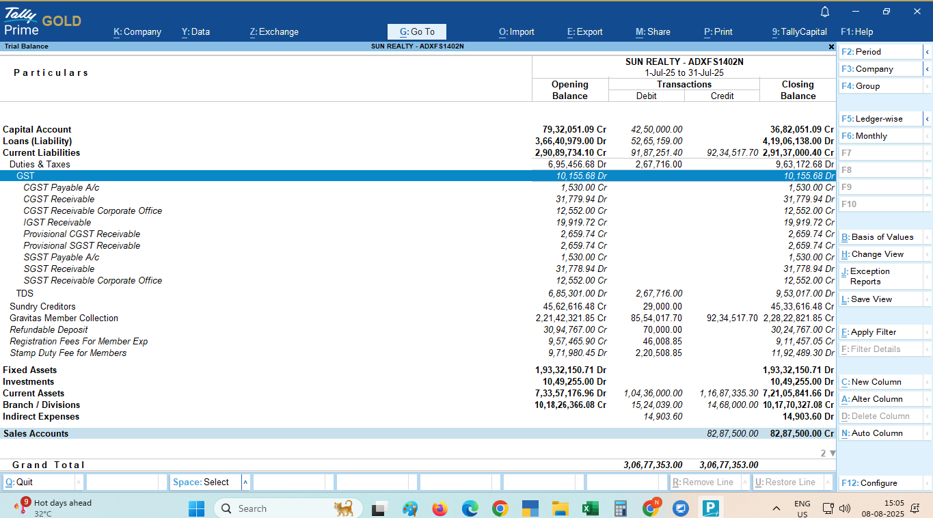
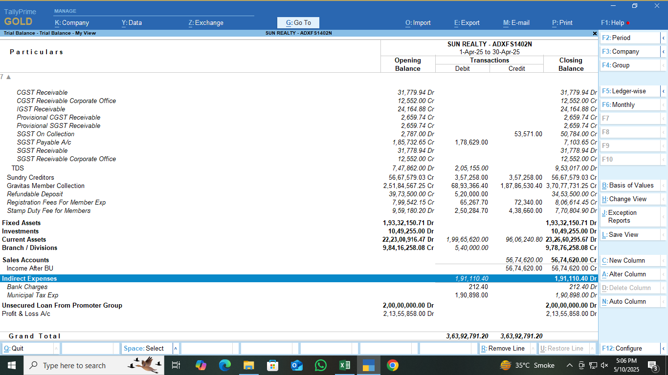
Sun Realty

GST PAYABLE ON COMMERCIAL CONSTRUCTION FOR THE MONTH OF AUG-26

Supply | AMOUNT | LAND VALUE (1/3) | TAXABLE VALUE (2/3) | RATE | CGST @ 9% | SGST@ 9% | TOTAL

COMMERCIAL CONSTRUCTION SERVICE | - | - | - | 18% | - | - | -
Refundable Deposite Income (B2C) | - |  | - | 18% | - | - | -
B2B E- Invoice Effect In Payable |  |  |  |  | - | -
Less : Refund | - | - | - | 18% | - | - | -
ADD: Maintenance Expence | - |  |  | 18% | - | - | -
ADD: Receipt of AEC, AUDA | - | - | - | 18% | - | - | -

LESS:- Entry of Receipt deleted Back dated hence excess payment shows
 |  |  | - | 18% | - | - | -
 | - | - | - | 18% | - | - | -
 |  | - | - | 18% | - | - | -
TOTAL | - | - | - |  | - | - | -
B2C
Cancellation Income | - | - |  | 18% | - | - | -
 |  |  |  | 18% | - | - | -
Advance adjusted for same |  |  | - | 18% | - | - | -
Extra work income (2/3portion only) | - |  | - | 18% | - | - | -
Advance adjusted for same | - |  | - | 18% | - | - | -
COMMERCIAL CONSTRUCTION SERVICE (AFTER BU) | -
COMMERCIAL CONSTRUCTION SERVICE (AFTER BU) BACK DATED ENTRY in Jan-26 (838, Zahabiya After Bu) | 0.00

TOTAL | - | - | - |  | - | - | -
B2C SALE & Advance adjustment (as per sale deed sheet) |  |  |  | 18% | - | - | -

Supply | GSTIN |  | AMOUNT | RATE | CGST | SGST | TOTAL

Rent income-Meglyn Technologies Pvt Ltd (SAC-)] ( To be Confirm is there any income ) | 24AAJCM9952F1Z6 |  |  | 18% | - | - | -

TOTAL |  |  | - |  | - | - | -

GST PAYABLE UNDER RCM FOR THE MONTH OF AUG-26
.
Service | AMOUNT | RATE | CGST | SGST | TOTAL

SUN GRAVITAS
Advocate fees | - | 18.00% | - | - | -
Carting and Transportation (Gayatri Sales Corp) |  | 5.00% | - | - | -
Security Services |  | 18.00% | - | - | -
Sponsharship Services |  | 18.00% | - | - | -

SUN OFFICE
Freight Charges(Gayatri Sales Corporation) |  | 5.00% | - | - | -
Security Expense | - | 18.00% | - | - | -

TOTAL | - |  | - | - | -

INPUT TAX CREDIT FOR THE MONTH OF AUG-26

PARTICULARS | CGST | SGST | IGST

Opening Balance |  | - | -
Add : ITC FOR THE AUG-26 | - | - | -
Add : ITC of RCM of NOV-25 | - | - | -
 |  | -
 |  | -
Add : ITC of Previous Month (Now reflacting in GSTR-2B) | - | - | -
Less: Credit Note In GSTR-2B but not in Book |  | -
Add:ITC of Bills which are in GSTR-2B but not in Books (DEC) |  | -
Add:ITC of Bills which are in GSTR-2B but not in Books (Decil) |  | -
Total CENVAT available | - | - | -
Less : ITC OF IGST Utilized for NOV-25 | - | -
Less : ITC REVERSED FOR THE NOV-25 | - | - | -
Net ITC Available for Utilisation | - | - | -
Less : ITC Utilised FOR THE NOV-25 | - | - | -
Closing Balance | - | - | -

GST Payable for the month of AUG-26

PARTICULARS | CGST | SGST | TOTAL

COMMERCIAL CONSTRUCTION SERVICE | - | - | -
LESS.: CENVAT IGST CREDIT UTILIZED | - | - | -
LESS.: CENVAT CREDIT UTILIZED |  |  | -
TOTAL PAYABLE FOR RESIDENTIAL INCLUDING IGST | - | - | -

GST Paid on RENT Income | - | - | -

GST UNDER RCM
SUN GRAVITAS | - | - | -
SUN OFFICE | - | - | -
GST Payable | - | - | -
GST Late Fees |  | - | -
Net GST Payable | - | - | -

CREDIT REVERSAL DUE TO BU |  |  |  |  | Particulars | Ratio
PARTICULARS | CGST | SGST | IGST | TOTAL | Sold Units Ratio | 45.75
Total Input Tax Credit Available for the AUG-26 | - | - | - | - | Unsold Units Ratio | 54.25
 |  |  |  |  | Total | 100.00
Credit Available for Units Sold Before BU | - | - | - | -
Credit Not Available for Units Sold after BU ( Rule 42 & 43 Credit Reversal ) | - | - | - | -
Total Input Tax Credit for the AUG-26 | - | - | - | -

Z:\PC-1 MASTER\SUN REALTY\GST\26-27\5.AUG'26\GSTR-3B\[01.GSTR -1 AUG-26 SUN BUILDERS PROJECTS LLP ( FORMERLY KNOWN AS SUN REALTY).xlsx]FINAL CALC

FOOTPRINT- CALCULATION
Sun Realty Footprint
GST PAYABLE ON COMMERCIAL CONSTRUCTION FOR THE MONTH OF AUG'26

Supply | AMOUNT | RATE | CGST | SGST | TOTAL

SUN REALTY Footprint RESIDENTIAL | 29,556,813 | 1.00% | 147,784 | 147,784 | 295,568
Less : Refund | (2,039,266) | 1.00% | (10,196) | (10,196) | (20,393)
Less: Entry RECTIFIED IN BOOKS OF APRIL-26 F-401, Shubham S/o Gajendra Kumar Mishra | (2,800) | 1.00% | (14) | (14) | (28) | 38,921
LESS : REFUND/PAYMENT ENTRY DELETED FROM BOOKS OF APR-26 D-503,Hansaben Kanakray Rathod_cancelled | 420,792 | 1.00% | 2,104 | 2,104 | 4,208 | 36,121
 |  |  |  |  |  | 2,800
SUN REALTY Footprint COMMERCIAL | - | 5.00% | - | - | -
Less : Refund | - | 5.00% | - | - | -

TOTAL | 27,935,539 |  | 139,678 | 139,678 | 279,355
B2C
Cancellation Charges Income |  | 18.00% | - | - | -
After BU sale deed Exempt sale | 84,631,993 | 0.00%
TOTAL | 84,631,993 |  | - | - | -
NET TOTAL | 112,567,532 |  | 139,678 | 139,678 | 279,355

GST PAYABLE UNDER RCM FOR THE MONTH OF AUG-26
.
Service | AMOUNT | RATE | CGST | SGST | TOTAL

SUN REALTY Footprint
Advocate fees | - | 18.00% | - | - | -
Carting and Transportation (Gayatri Sales Corp) |  | 5.00% | - | - | -
Security Services |  | 18.00% | - | - | -
Sponsor Ship Exp |  | 18.00% | - | - | -

TOTAL | - |  | - | - | -

INELIGIBLE CREDIT FOR THE MONTH OF AUG -26

PARTICULARS | CGST | SGST | IGST

ITC FOR THE AUG-26 | 739,576 | 739,576
Add: Ineligible ITC |  | -
Add: Ineligible ITC FOR RCM | - | -
Total ineligible CENVAYT | 739,576 | 739,576 | -
TOTAL | 739,576 | 739,576 | -

GST Payable for the month of AUG'26

PARTICULARS | CGST | SGST | TOTAL

SUN REALTY Footprint RESIDENTIAL | 139,678 | 139,678 | 279,355

TOTAL PAYABLE FOR RESIDENTIAL INCLUDING IGST | 139,678 | 139,678 | 279,355

GST UNDER RCM
SUN Footprint | - | - | -
SUN OFFICE |  |  | -
GST Payable | 139,678 | 139,678 | 279,355
Net GST Payable | 139,678 | 139,678 | 279,355

Z:\PC-1 MASTER\SUN REALTY\GST\26-27\5.AUG'26\GSTR-3B\[01.GSTR -1 AUG-26 SUN BUILDERS PROJECTS LLP ( FORMERLY KNOWN AS SUN REALTY).xlsx]FINAL CALC

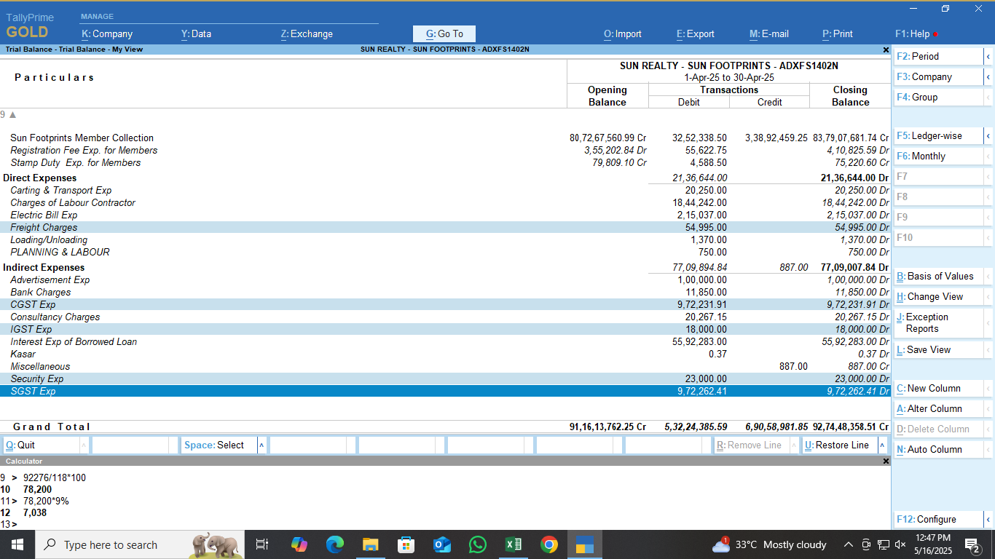

 |  |  |  |  |  |  | 9957

